Instructions
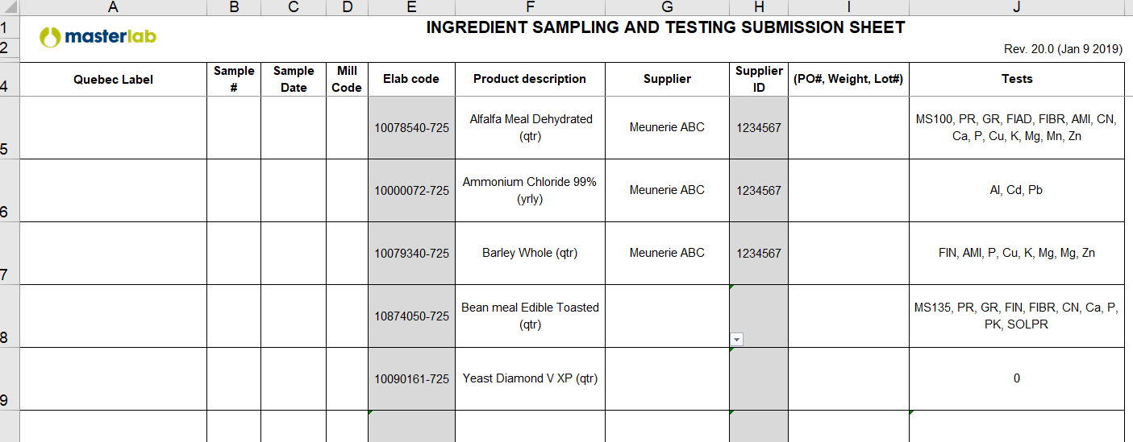
Instructions

Step 1 : | Create your data base

Exemple 1
Suppliers tab: | To be able to select a supplier in the drop down menu of your template :
(database)
 | Fill lines with suppliers and codes (image 1)
 | All suppliers and codes will appear in the drop down menu (image 2)

Exemple 2

Analyses tab:
(database) | -add ingredients and analyses in this spreadsheet
 | -columns B,C and D need to be populated for the template tab to work
 | -columns E-S do not need to be filled in, but it makes it easier to see the required tests
 | -note per load, monthly, quarterly testing is separated out (see Alfalfa Meal as an example)

Template tab :
(to be filled) | -drop down lists – Product description & Supplier
 | -automatically populated based on drop down lists – Elab code, Supplier ID & Tests
 | -fill in the sample #, Sample Date, Mill Code, PO#/Weight/Lot#
 | -select which rows to print off for each form (in the page layout, print area), rows 1-4 are set as the header

Final Exemple

